Initiation
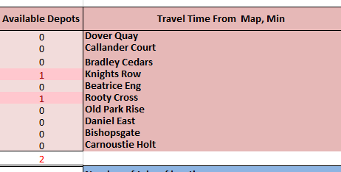
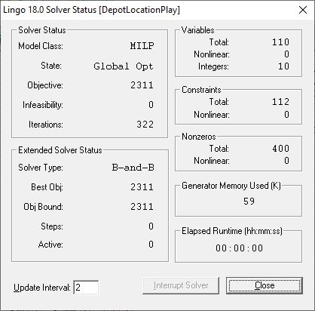
LINGO Depot Location Play

The aim is to identify the optimal water utility depot location to service the maintenance jobs whilst minimizing travel times.

Travel for all jobs starts at a depot and end at the job location

The number of jobs in each location are the total number of jobs occurred in the location in 2019

This model was built in LINGO (an Optimization software) while reading inputs and outputs results to excel

User can nominate the number of depot to be established. The model should then consider depot numbers and
identify their optimal location to minimize travel time to jobs from these depots.

LINGO Installation:
Go to the Lindo website and install LINGO: |  | https://www.lindo.com/index.php/ls-downloads

The demo version have all the features and functionality of the standard versions, but its limited to 150 constraints

Guide to use the model:
1. Open both excel and LINGO model (DepotLocationPlay.lg4)
2. Nominate the number of depots to be established (yellow cell)
3. Run the LINGO model by clicking the bullseye button
4. Results will be shown in the "Available Depots" column
 | Screenshot below indicate that the most optimal locations are Knights Row and Rooty Cross

Travel Time Graphs
Time Travel
Depot location From | From location | To Location | Time Travel | Depot location From | Old Park Rise
Dover Quay | 1 | 1 | 0
Dover Quay | 1 | 2 | 15 | Average of Time Travel
Dover Quay | 1 | 3 | 16 | From location | To Location | Total
Dover Quay | 1 | 4 | 8 | 7 | 1 | 20
Dover Quay | 1 | 5 | 12 |  | 2 | 17
Dover Quay | 1 | 6 | 11 |  | 3 | 12
Dover Quay | 1 | 7 | 20 |  | 4 | 22
Dover Quay | 1 | 8 | 15 |  | 5 | 15
Dover Quay | 1 | 9 | 16 |  | 6 | 12
Dover Quay | 1 | 10 | 17 |  | 7 | 0
Callander Court | 2 | 1 | 15 |  | 8 | 19
Callander Court | 2 | 2 | 0 |  | 9 | 17
Callander Court | 2 | 3 | 12 |  | 10 | 18
Callander Court | 2 | 4 | 14 | 7 Total |  | 15.2
Callander Court | 2 | 5 | 7 | Grand Total |  | 15.2
Callander Court | 2 | 6 | 8
Callander Court | 2 | 7 | 17
Callander Court | 2 | 8 | 16
Callander Court | 2 | 9 | 14
Callander Court | 2 | 10 | 10
Bradley Cedars | 3 | 1 | 16
Bradley Cedars | 3 | 2 | 12
Average Time Travel from Location
Bradley Cedars | 3 | 3 | 0
Bradley Cedars | 3 | 4 | 20
Bradley Cedars | 3 | 5 | 12
Bradley Cedars | 3 | 6 | 9 | Row Labels | Average of Time Travel
Bradley Cedars | 3 | 7 | 12 | 1 | 13
Bradley Cedars | 3 | 8 | 16 | Dover Quay | 13
Bradley Cedars | 3 | 9 | 14 | 2 | 11.3
Bradley Cedars | 3 | 10 | 15 | Callander Court | 11.3
Knights Row | 4 | 1 | 8 | 3 | 12.6
Knights Row | 4 | 2 | 14 | Bradley Cedars | 12.6
Knights Row | 4 | 3 | 20 | 4 | 13.2
Knights Row | 4 | 4 | 0 | Knights Row | 13.2
Knights Row | 4 | 5 | 13 | 5 | 10.1
Knights Row | 4 | 6 | 14 | Beatrice End | 10.1
Knights Row | 4 | 7 | 22 | 6 | 9.2
Knights Row | 4 | 8 | 9 | Rooty Cross | 9.2
Knights Row | 4 | 9 | 13 | 7 | 15.2
Knights Row | 4 | 10 | 19 | Old Park Rise | 15.2
Beatrice End | 5 | 1 | 12 | 8 | 12.2
Beatrice End | 5 | 2 | 7 | Daniel East | 12.2
Beatrice End | 5 | 3 | 12 | 9 | 11.5
Beatrice End | 5 | 4 | 13 | Bishopsgate | 11.5
Beatrice End | 5 | 5 | 0 | 10 | 12.9
Beatrice End | 5 | 6 | 6 | Carnoustie Holt | 12.9
Beatrice End | 5 | 7 | 15 | Grand Total | 12.12
Beatrice End | 5 | 8 | 13
Beatrice End | 5 | 9 | 11
Beatrice End | 5 | 10 | 12
Rooty Cross | 6 | 1 | 11
Rooty Cross | 6 | 2 | 8
Rooty Cross | 6 | 3 | 9
Rooty Cross | 6 | 4 | 14
Rooty Cross | 6 | 5 | 6
Rooty Cross | 6 | 6 | 0
Rooty Cross | 6 | 7 | 12
Rooty Cross | 6 | 8 | 12
Rooty Cross | 6 | 9 | 10
Rooty Cross | 6 | 10 | 10
Old Park Rise | 7 | 1 | 20
Old Park Rise | 7 | 2 | 17
Old Park Rise | 7 | 3 | 12
Old Park Rise | 7 | 4 | 22
Old Park Rise | 7 | 5 | 15
Old Park Rise | 7 | 6 | 12
Old Park Rise | 7 | 7 | 0
Old Park Rise | 7 | 8 | 19
Old Park Rise | 7 | 9 | 17
Old Park Rise | 7 | 10 | 18
Daniel East | 8 | 1 | 15
Daniel East | 8 | 2 | 16
Daniel East | 8 | 3 | 16
Daniel East | 8 | 4 | 9
Daniel East | 8 | 5 | 13
Daniel East | 8 | 6 | 12
Daniel East | 8 | 7 | 19
Daniel East | 8 | 8 | 0
Daniel East | 8 | 9 | 7
Daniel East | 8 | 10 | 15
Bishopsgate | 9 | 1 | 16
Bishopsgate | 9 | 2 | 14
Bishopsgate | 9 | 3 | 14
Bishopsgate | 9 | 4 | 13
Bishopsgate | 9 | 5 | 11
Bishopsgate | 9 | 6 | 10
Bishopsgate | 9 | 7 | 17
Bishopsgate | 9 | 8 | 7
Bishopsgate | 9 | 9 | 0
Bishopsgate | 9 | 10 | 13
Carnoustie Holt | 10 | 1 | 17
Carnoustie Holt | 10 | 2 | 10
Carnoustie Holt | 10 | 3 | 15
Carnoustie Holt | 10 | 4 | 19
Carnoustie Holt | 10 | 5 | 12
Carnoustie Holt | 10 | 6 | 10
Carnoustie Holt | 10 | 7 | 18
Carnoustie Holt | 10 | 8 | 15
Carnoustie Holt | 10 | 9 | 13
Carnoustie Holt | 10 | 10 | 0

